Compartments xPC
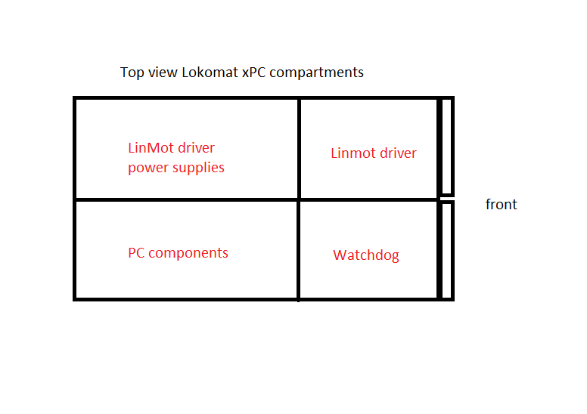

PC components
Component | function | brand | type | datasheet
Motherboard | motherboard | Epox | EP-8RDA6+PRO | (specs) https://www.cnet.com/products/epox-ep-8rda6-plus-pro-motherboard-atx-socket-a-nforce2-ultra-400/
PSU | PSU | LC-POWER | LC420H-12 | (specs) https://www.lc-power.com/en/product/pc-power-supply-units/office-series/lc420h-12-v13/
Ethernet port 1 | sensor driver | JR3 | PCI card | https://www.jr3.com/resources/product-manuals
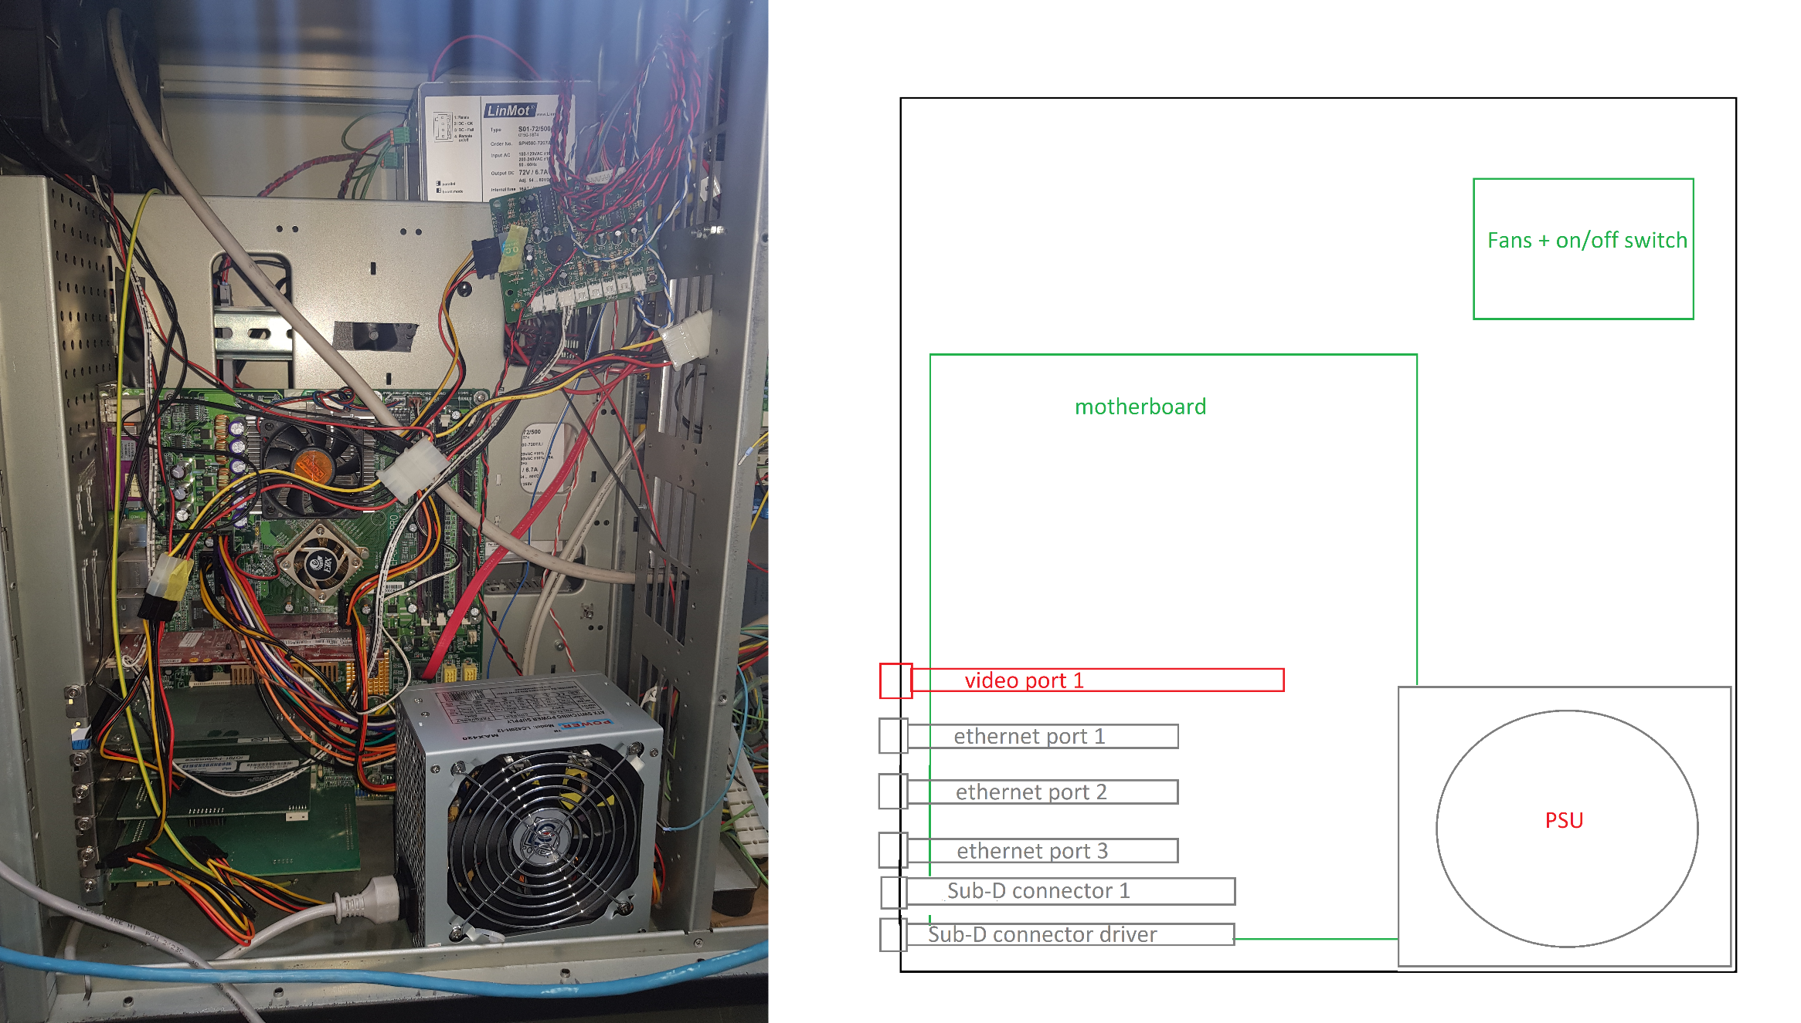
Ethernet port 2 | Ethernet port | intel | pro/100 S server adapter | https://www.supermicro.com/wdl/ISO_Extracted/CDR-X10_1.10_for_Intel_X10_platform/Intel/LAN/v20.3/DOCS/Adapter_User_Guide.pdf
Ethernet port 3 | Ethernet port | intel | pro/100 S server adapter | https://www.supermicro.com/wdl/ISO_Extracted/CDR-X10_1.10_for_Intel_X10_platform/Intel/LAN/v20.3/DOCS/Adapter_User_Guide.pdf
Sub-D connector driver
Sub-D connector driver 1
Video port 1 | graphics card | NVIDIA | GeFORCE mx4000 | https://www.techpowerup.com/gpu-specs/geforce4-mx-4000.c776
Fans PCB |  | homemade | homemade
(x2) Fans | fans | SUNON | KD1212PMB1-6a

